Screenshot 1
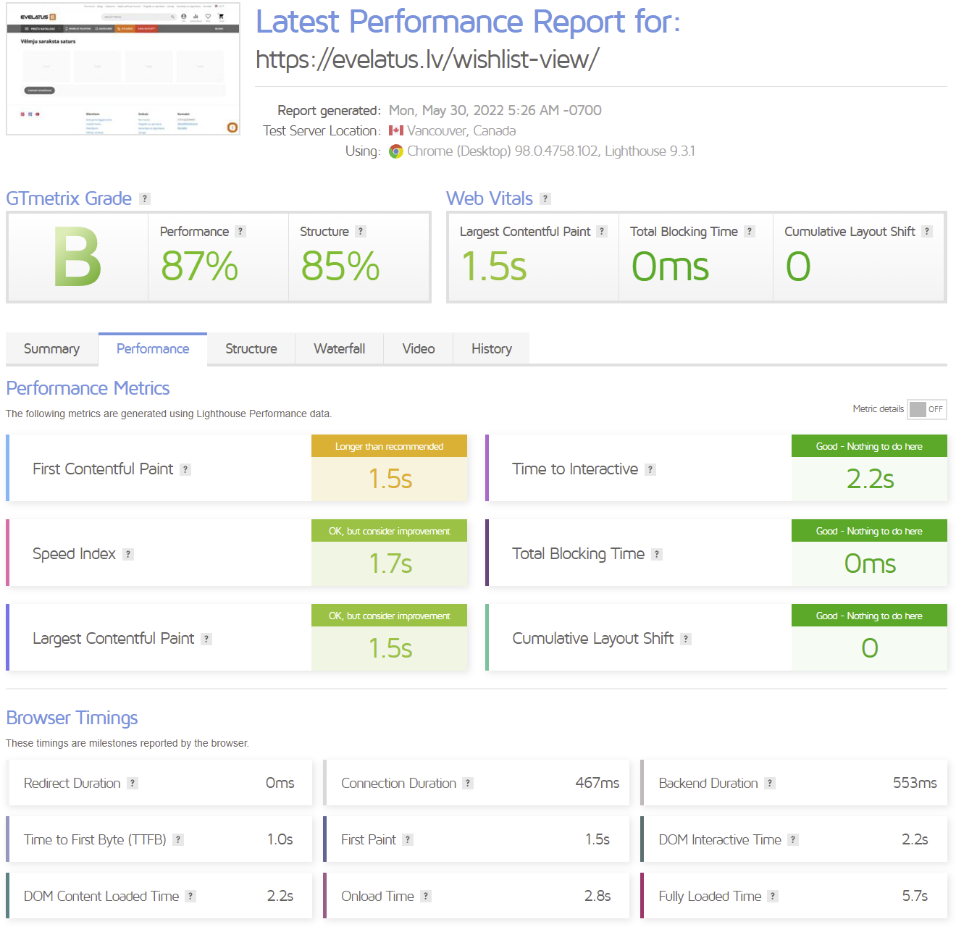

Website perfomance test links:
https://gtmetrix.com/reports/evelatus.lv/0LJAgAlR/
https://www.webpagetest.org/result/220530_AiDc8S_9Y2/

Screenshot 2
